Datailed Inquiry Information
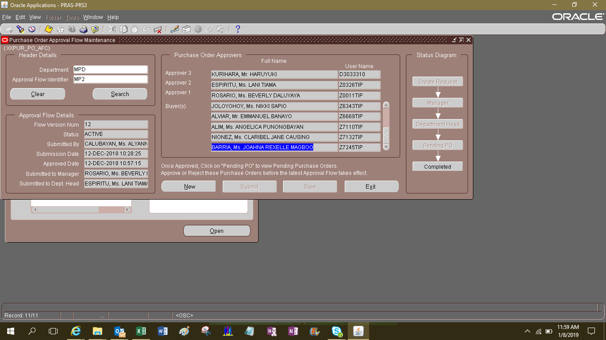
Detailed Inquiry Information

 | Purchasing & Price Master Maintenance
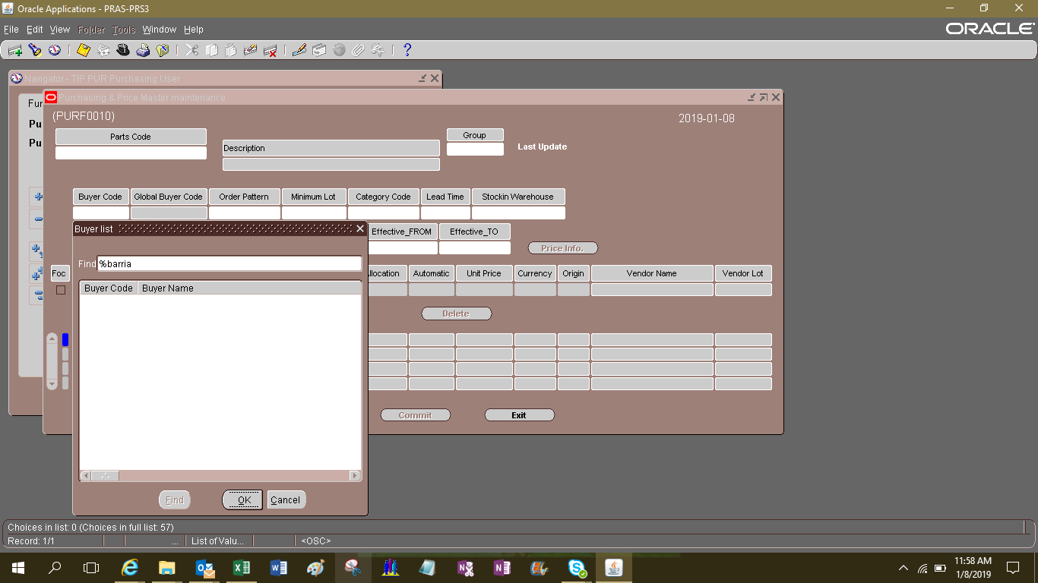

 | Purchase Order Approval Flow Maintenance

Detailed Investigation Result
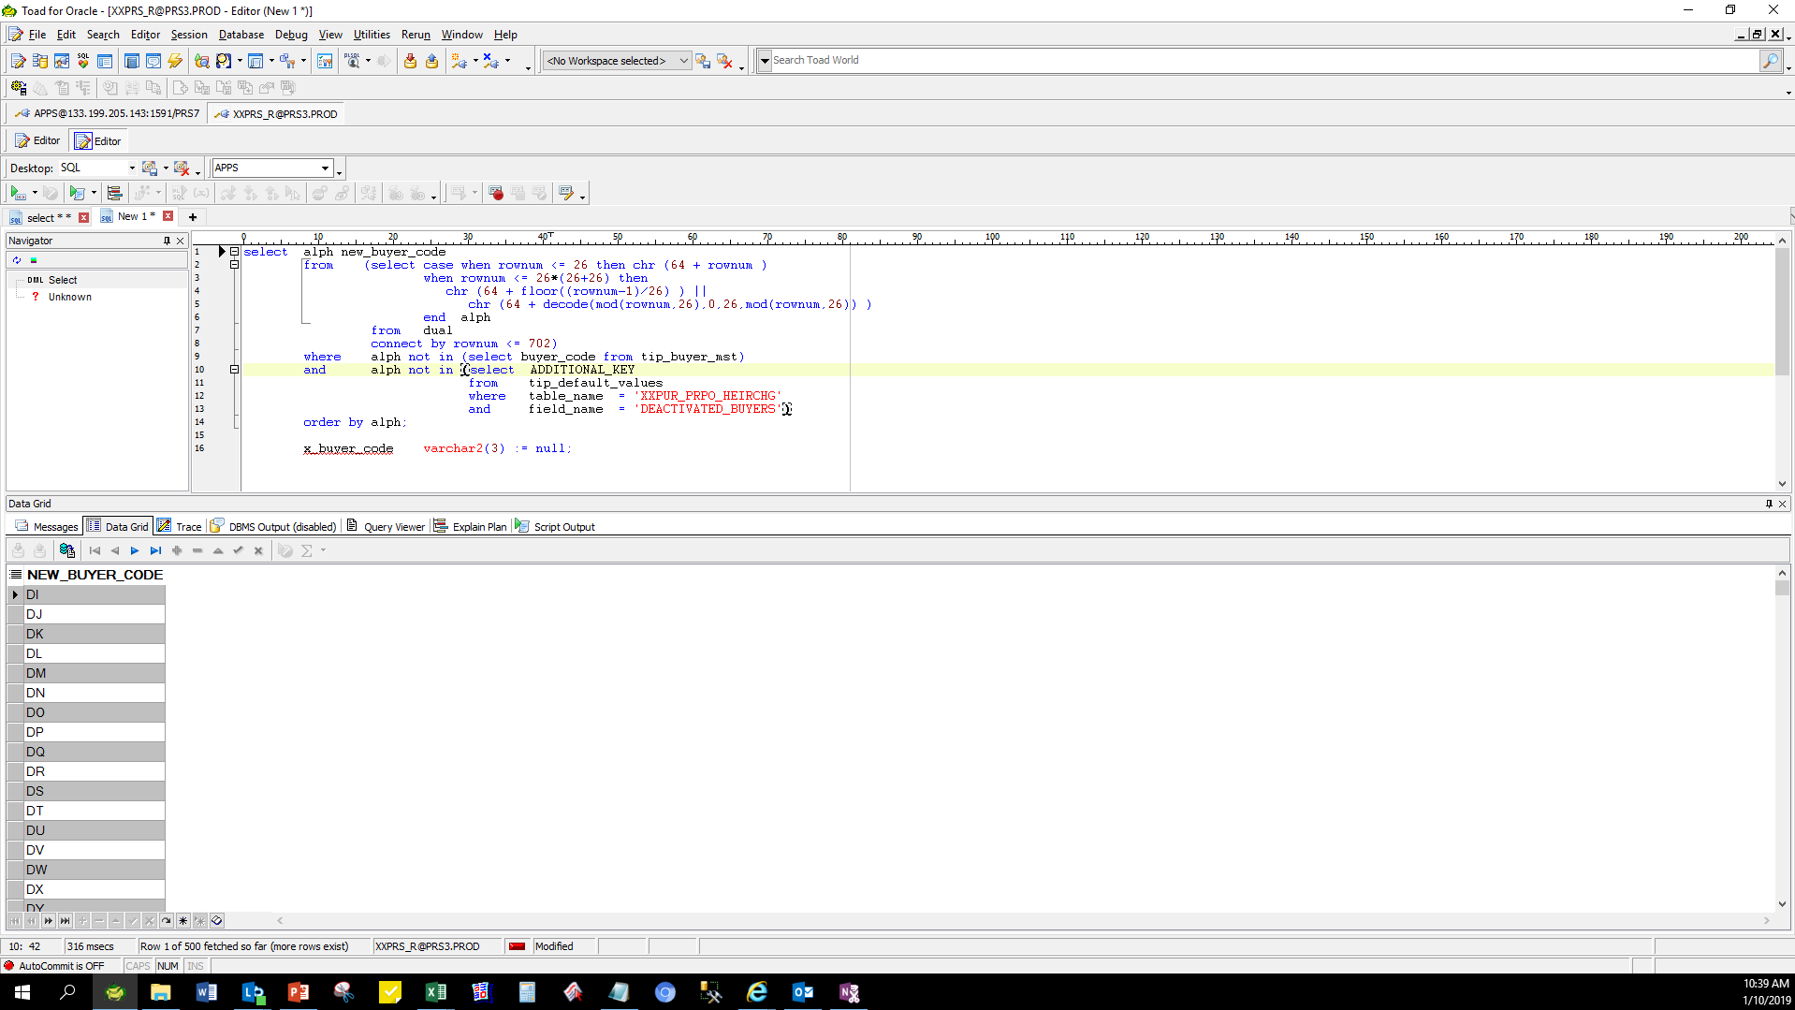
Detailed Investigation Result

 | INSERT THE BUYER in TIP BUYER MST

 |  | INSERT INTO APPS.TIP_BUYER_MST
 |  | (BUYER_CODE,
 |  | DESCRIPTION,
 |  | CREATED_BY,
 |  | LAST_UPDATED_BY,
 |  | CREATION_DATE,
 |  | LAST_UPDATE_DATE,
 |  | SUPERVISOR_NAME,
 |  | MANAGER_NAME,
 |  | DEPARTMENT_HEAD_NAME)
 |  | VALUES('DI',
 |  | BARRIA, Ms. JOAHNA REXELLE MAGBOO',
 |  | -1',
 |  | -1'
 |  | SYSDATE,
 |  | SYSDATE,
 |  | ROSARIO, Ms. BEVERLY DALUYAYA',
 |  | ESPIRITU, Ms. LANI TIAMA',
 |  | KURIHARA, Mr. HARUYUKI');

 |  | CHECK The Latest Buyer_Code

Actual Operation Evidence
Actual Operation Evidence

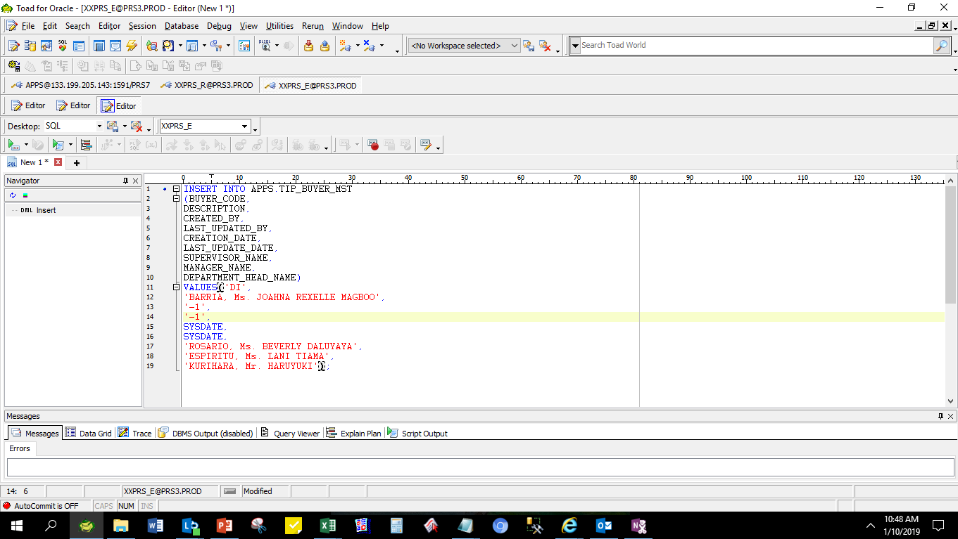

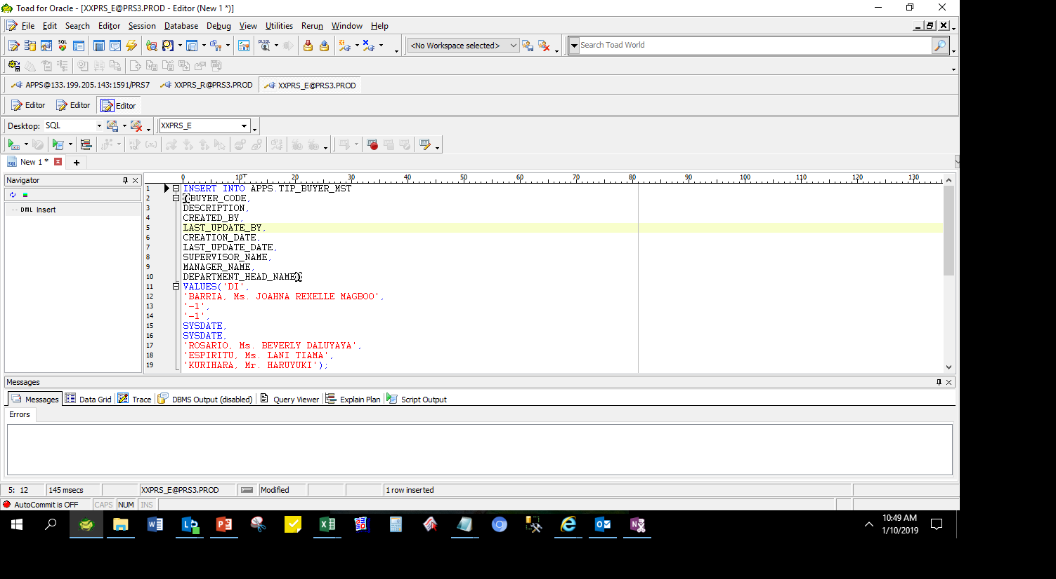

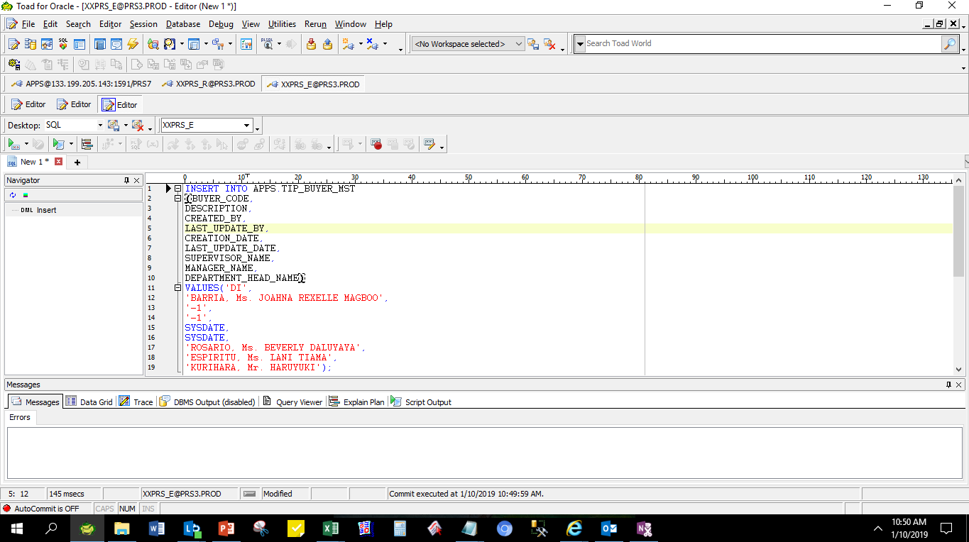

 |  | select *
 |  | from tip_buyer_mst
 |  | where buyer_code = 'DI'

 | BUYER_CODE | DESCRIPTION | CREATED_BY | LAST_UPDATE_BY | CREATION_DATE | LAST_UPDATE_DATE | SUPERVISOR_NAME | MANAGER_NAME | DEPARTMENT_HEAD_NAME
 | DI | BARRIA, Ms. JOAHNA REXELLE MAGBOO | -1 | -1 | 1/10/2019 10:49:43 AM | 1/10/2019 10:49:43 AM | ROSARIO, Ms. BEVERLY DALUYAYA | ESPIRITU, Ms. LANI TIAMA | KURIHARA, Mr. HARUYUKI

Helpdesk Request
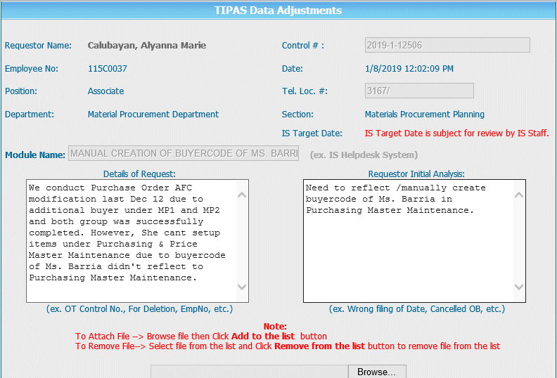
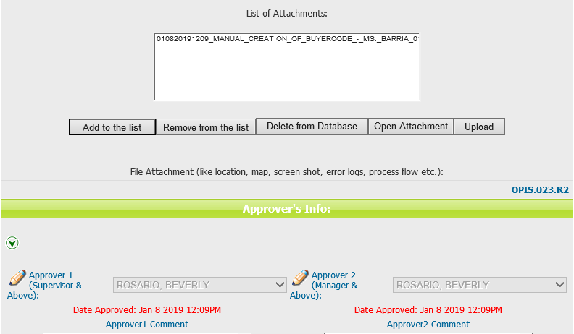
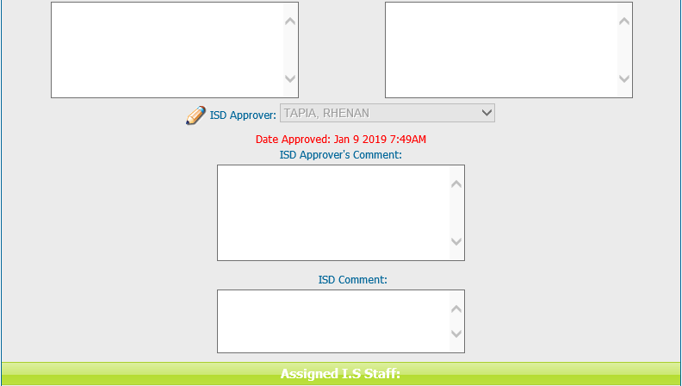
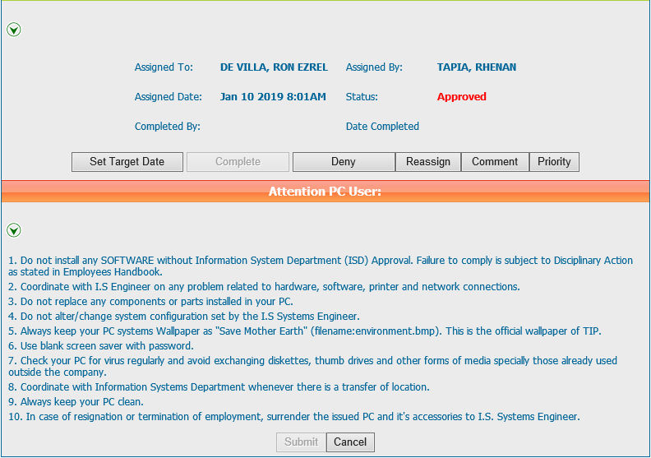
Helpdesk Request

 | ATTACH SCREENSHOT OF HELPDESK REQUEST.

